BN_CrossReference
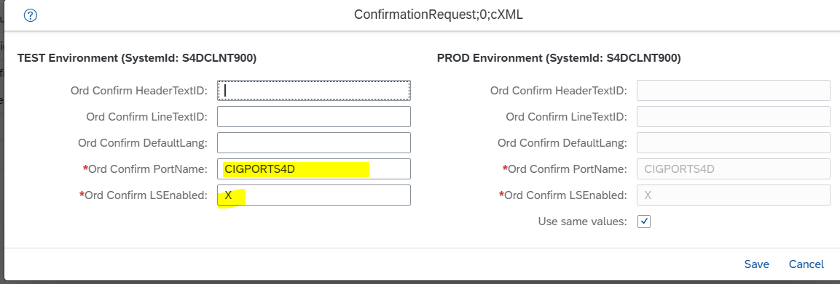

Make sure to click Next and confirm for changes to be activated

We20 - partner profile
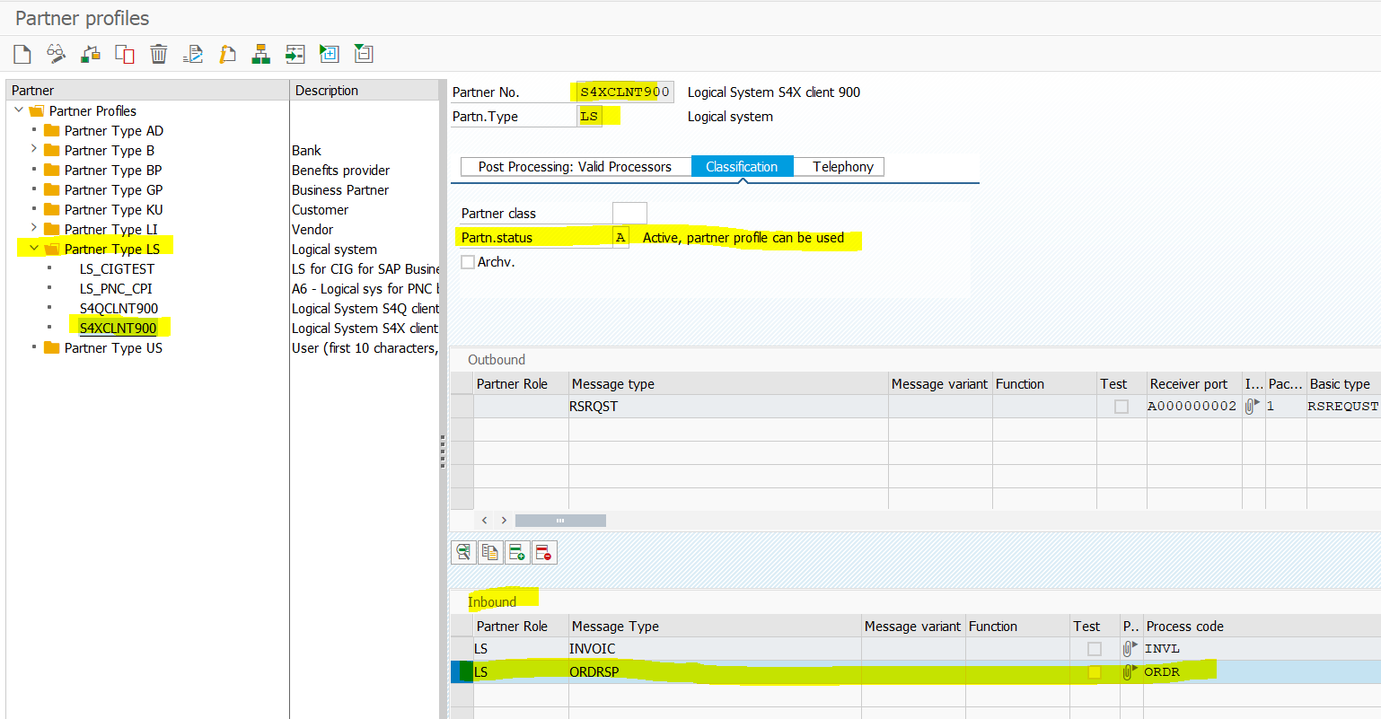

Inbound Idoc received by HTTP stuck at 64 status, which should be processed automatically(Trigger Immediately).

Transaction OYEA -> Section 'IDoc Inbox HTTP' -> click the setting 'Start W/O Event Linkage'
Refer note 3269487 - Inbound IDoc via HTTP stuck at 64 status

Implementing the Customer Exit
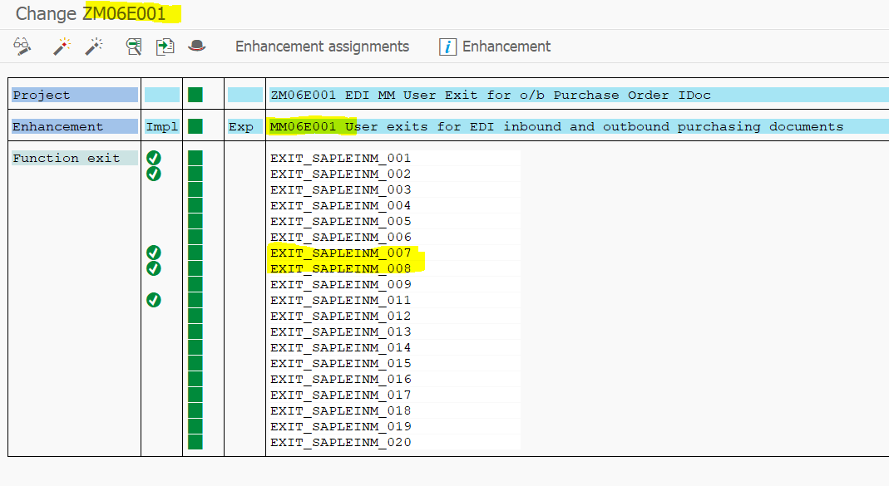
Implementing the Customer Exit to Process Comments and Rejected Line Items
 | Context
 | To prevent errors while processing order confirmations containing line items with the Rejected status, you are
 | required to implement the customer exit, MM06E001.
 | Procedure
 | 1. Run the transaction code SPRO.
 | SAP Integration Suite, Managed Gateway for Spend Management and SAP Business Network
 | Configuration Guide
 | Configuring Supported Transactions PUBLIC 331
 | The Customizing: Execute Project screen appears.
 | 2. Click SAP Reference IMG.
 | The Display IMG screen appears.
 | 3. Navigate to Integration with Other SAP Components Managed Gateway for Spend&Network for Buyer
 | SAP Business Network Integration Application Specific Settings Order Confirmation .
 | 4. Click IMG-Activity for Implement Customer Exit to Process Comments and Rejected Line Item.
 | The Project Management of SAP Enhancements screen appears.
 | 5. Create a new customer exit. For example, ZMMIDOC.
 | 6. Click Create.
 | 7. Click the button Enhancement Assignments and then enter MM06E001 as the user exit name.
 | 8. Click Enter.
 | 9. Go back and click the button Components and then double-click the enhancement name
 | EXIT_SAPLEINM_007.
 | 10. In the new screen that appears, double-click INCLUDE ZXM06U19 and click Enter.
 | 11. Enter the following include: INCLUDE ARBCIG_INCL_ORDER_CONFIRM_01 IF FOUND.
 | 12. Click Activate.
 | 13. Go back and click the button Components and then double-click the enhancement name
 | EXIT_SAPLEINM_008.
 | 14. In the new screen that appears, double-click INCLUDE ZXM06U20 and click Enter.
 | 15. Enter the following include: INCLUDE ARBCIG_INCL_ORDER_CONFIRM_02 IF FOUND.
 | 16. Click Activate.
 | 17. Go back and activate the user exit also.

 | Steps 5 to 8 is NOT APPLICABLE - See below message
 | SAP enhancement MM06E001 already belongs to project ZM06E001

 | Message no. ENHANCEMENT029
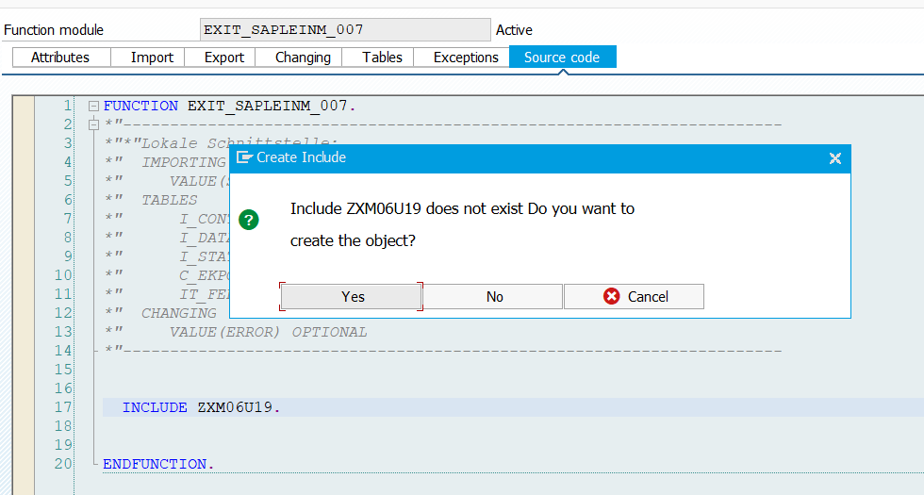
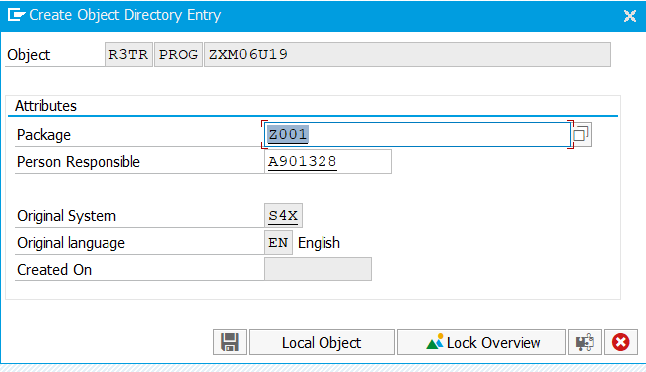

 | Enter INCLUDE ARBCIG_INCL_ORDER_CONFIRM_01 IF FOUND. And activate

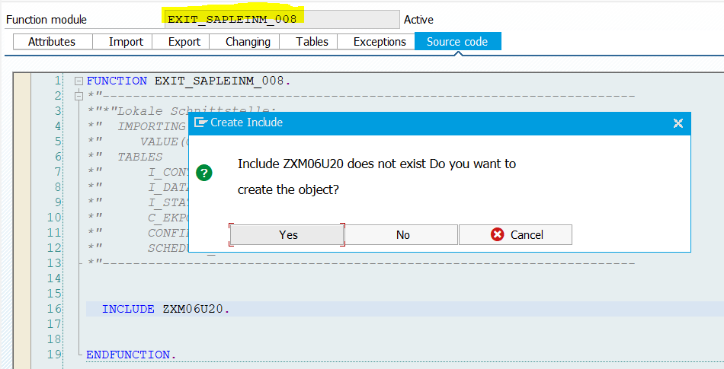
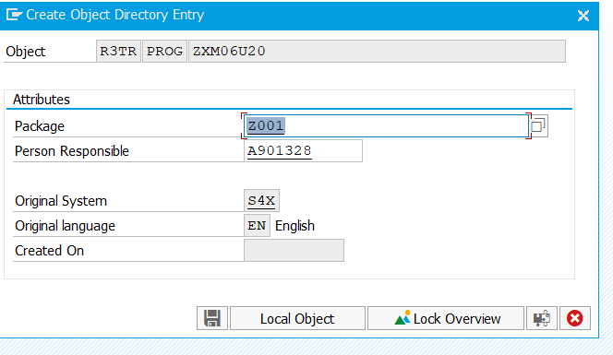

 | Enter INCLUDE ARBCIG_INCL_ORDER_CONFIRM_02 IF FOUND. And activate

Configure-ConfirmationCategory
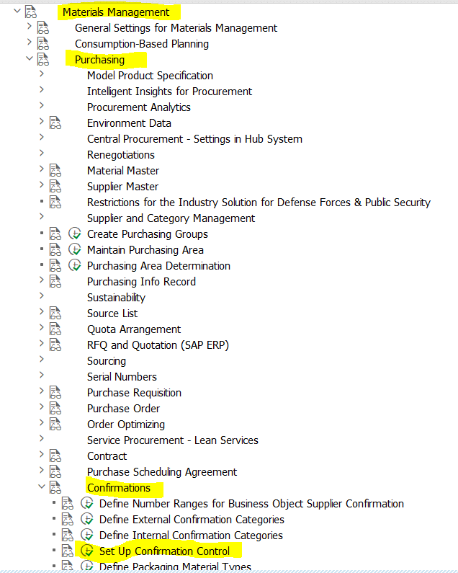
Configuring the Confirmation Category |  | This already setup - test the exisiting works good

 | Context
 | Configure the confirmation category AB to process the time tolerances in order confirmations against purchase
 | orders.
 | Procedure
 | 1. Run the transaction code SPRO.
 | 2. Go back to the Display IMG page.
 | 3. Click the tree structure, Materials Management Purchasing Confirmations Set up Confirmation
 | Control .
 | 4. Ensure that you specify the following values in the Change View Confirmation control keys:Overview window:
 | 332 PUBLIC
 | SAP Integration Suite, Managed Gateway for Spend Management and SAP Business Network
 | Configuration Guide
 | Configuring Supported Transactions
 | 5. Click Confirmation sequence under the Dialog Structure tree view to view the confirmation control key
 | sequence.
 | 6. Click New Entries.
 | 7. Enter the following values for the confirmation sequence:
 | • Conf. Category: Enter AB.
 | • Description: Enter Order acknowledgment.
 | • MRP-Relevant: Check this field.
 | • GR-Relevant: Do not check
 | • GR-Assignment: Do not check
 | • Monitoring Pert: Leave it blank.
 | • Ref. Date: Leave it blank.
 | • VMat: Check this checkbox to update the vendor material ID in the purchase order based on the supplier
 | part Id received from An through the order confirmation document

Enabling Attachments
Enabling Attachments for Order Confirmation |  | SM30
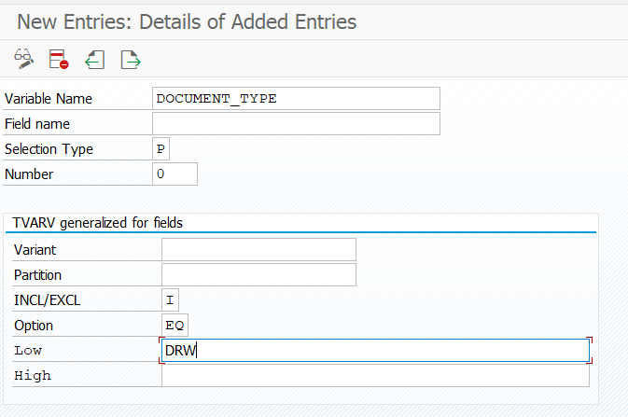
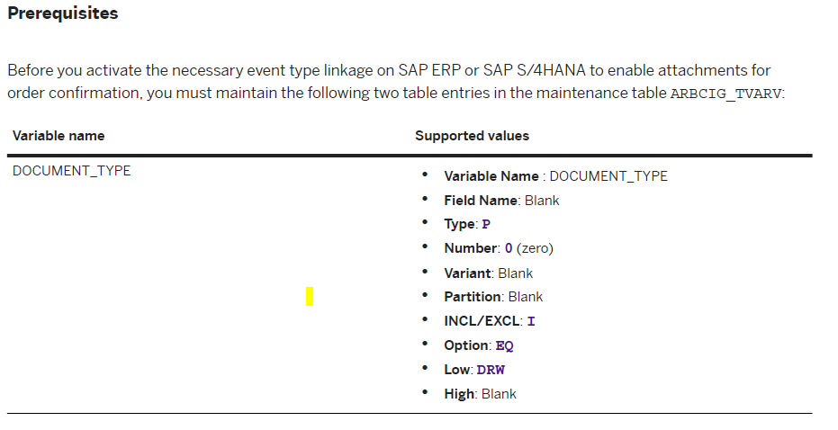

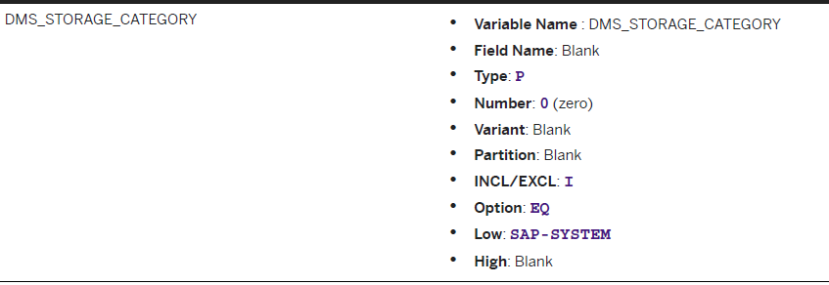
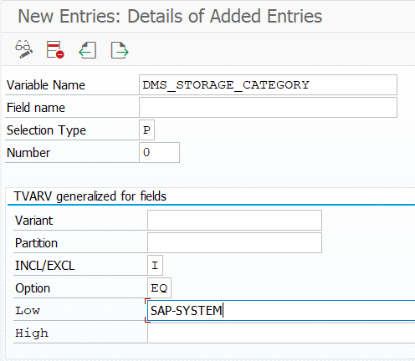

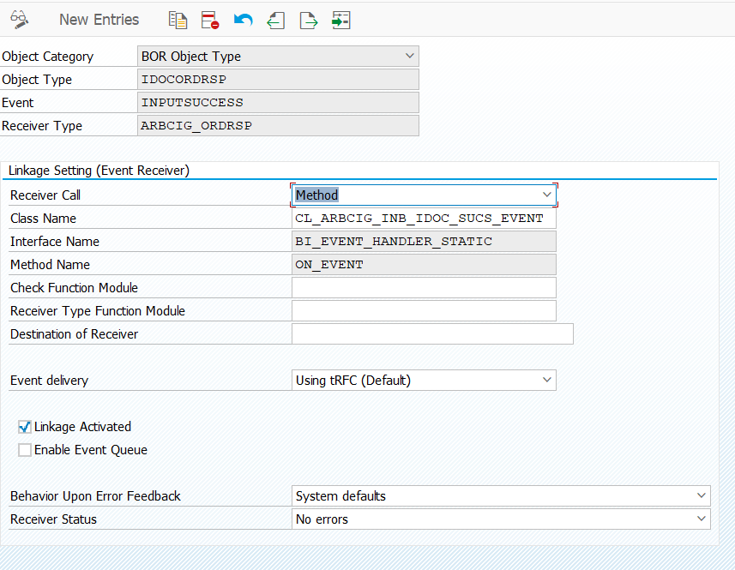
 | Context
 | To receive attachments and comments in order confirmations, ensure that you activate the necessary event type
 | linkage on SAP ERP or SAP S/4HANA. You must create the event type linkage before you activate them.
 | Procedure
 | 1. Run the transaction code SPRO.
 | The Customizing: Execute Project screen appears.
 | 2. Click SAP Reference IMG.
 | The Display IMG screen appears.
 | 3. Navigate to Integration with Other SAP Components Managed Gateway for Spend&Network for Buyer
 | SAP Business Network Integration Application Specific Settings Order Confirmation .
 | 4. Click IMG-Activity for Enable Attachments for Order Confirmation.
 | The Change View Event Type Linkages”: Details screen appears.
 | 5. Double-click the following event type linkage:
 | • Object Category: BOR Object
 | • ObjectType: IDOCORDRSP
 | Event: INPUTSUCCESS
 | • Receiver Type: ARBCIG_ORDRSP
 | • Receiver Call: Method
 | • Class Name: CL_ARBCIG_INB_IDOC_SUCS_EVENT
 | • Interface Name: BI_EVENT_HANDLER_STATIC
 | • Method Name: ON_EVENT
 | • Event delivery: Using tRFC (Default)
 | Behavior Upon Error Feedback: 0 System defaults
 | • Receiver Status: 0 No errors
 | The Change View Event Type Linkages”: Details window appears.
 | 6. Check Linkage Activated.
 | 7. Save the changes.

